Zone Information
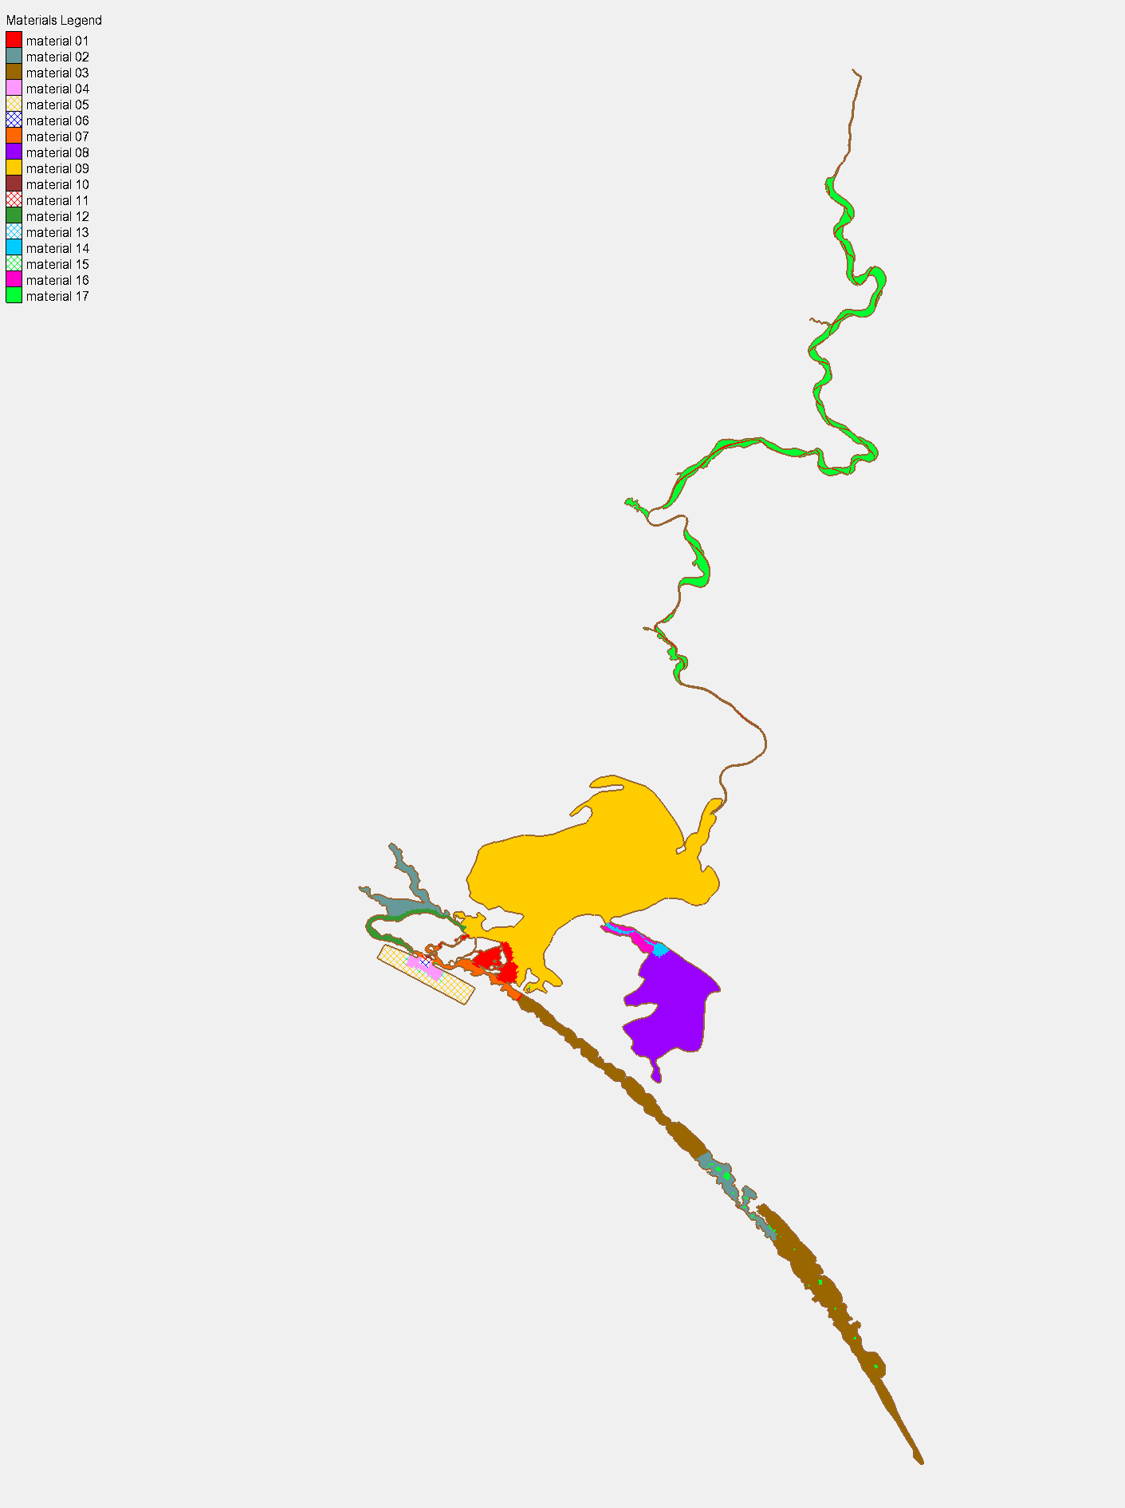
Material Zone | Description
1 | Murray River to Wellington
2 | Currency Creek,Finniss Region, Some Lower Coorong
3 | Barrages to Lower Coorong
4 | Mouth
5 | Mouth
6 | Mouth
7 | Barrages region in Coorong
8 | Albert
9 | Alex
10 | Small region in Mouth
11 | Small region in Mouth
12 | Clayton to Goolwa Channel
13 | Small region near Goolwa Barrage in Coorong
14 | Narrows Channel;
15 | Mouth
16 | Narrows outside channel
17 | River wetland (and some area I screwed up)

